Pricing
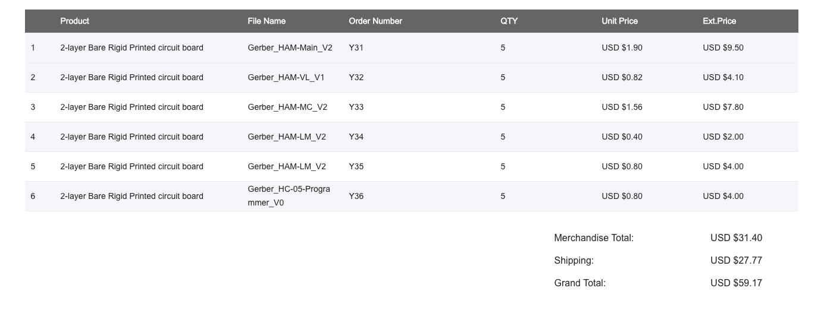
Item | Link | Quantitiy | Unit Price | Total
JLCPCB Custom PCB Order | https://jlcpcb.com | 1 | 59.17 | 59.17
 |  |  |  | 59.17

